Worksheet
YOUR MARKET POSITIONING PENTAGON
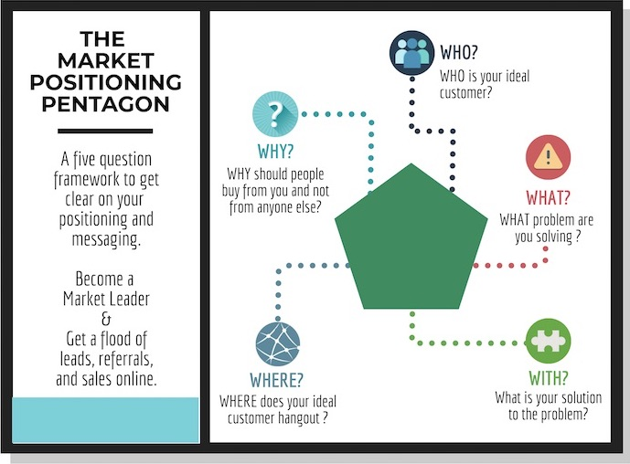
WHO | WHO is your ideal customer and what is their worldview?
 | Start with your ideal customer, without this, you wouldn't be able to figure out the rest.

 | Click Here To Fill The Ideal Customer Profile Sheet
WHERE | WHERE does your ideal customer hang out?

WHAT | WHAT problem are you solving for your customer?

WITH | What is your solution (WITH) to the customer's problem?

WHY | WHY should people buy from you and not from anyone else?

Ideal Customer Profile
Basic Ideal Customer Profile
NAME | Business
PRODUCT/SERVICE NAME |  |  PASTE A REAL PHOTO WHICH REPRESENTS YOUR IDEAL CUSTOMER

 |  | GIVE A NAME TO YOUR IDEAL CUSTOMER
PSYCHOGRAPHICS |  | Demographics
What do people see, say others, hear from peers, and think and feel? |  | Publicly Identifiable Personal Data
PAINS, Fears & Frustrations |  | SEX
 |  | AGE
 |  | MARITAL STATUS
 |  | ORIENTATION
 |  | EDUCATION
 |  | CURRENT STATUS
 |  | PERSONAL INCOME
GAINS, Wants & ASPIRATIONS |  | HOUSEHOLD INCOME
 |  | NOTES

 |  | WHERE ARE THEY?
 |  | Influencers They Follow

Unmet Needs

 |  | Social Media, Forums, Groups, and Websites They Visit

Copyright © 2018 Ahmed Muzammil, All Rights Reserved DO NOT DISTRIBUTE without written consent from the author.

